Results
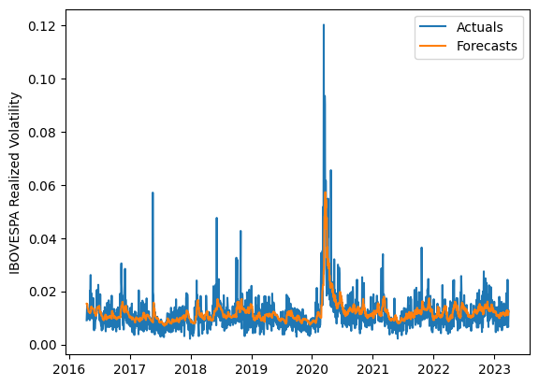
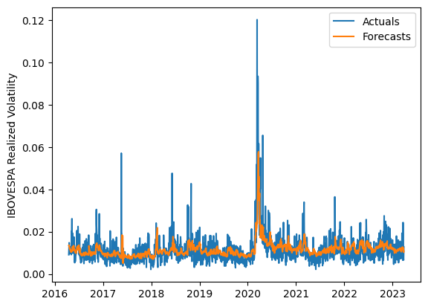
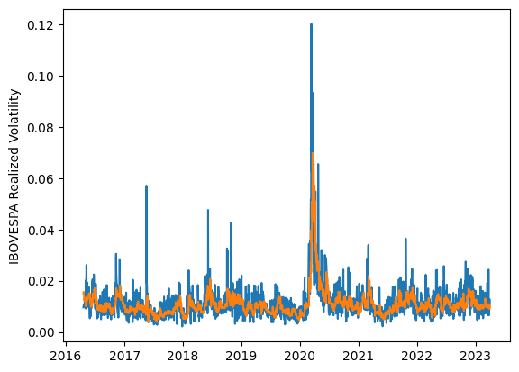
 | LSTM |  |  | TCN |  |  | NBEATSx |  |  |  |  | LSTM |  |  | TCN |  |  | NBEATSx
 | Accuracy | RMSE | Qlike | Accuracy | RMSE | Qlike | Accuracy | RMSE | Qlike |  |  | Accuracy | RMSE | Qlike | Accuracy | RMSE | Qlike | Accuracy | RMSE | Qlike
Trial 1 | 70.39% | 0.34% | 7.05% | 60.28% | 0.38% | 10.24% | 68.56% | 0.35% | 7.37% |  | Mean | 66.12% | 0.348% | 0.082 | 62.32% | 0.367% | 0.096 | 68.17% | 0.356% | 0.080
Trial 2 | 67.72% | 0.34% | 7.69% | 66.86% | 0.35% | 8.06% | 68.57% | 0.35% | 8.14% |  | Standard Deviation | 2.74% | 0.010% | 0.008 | 3.24% | 0.016% | 0.011 | 0.36% | 0.002% | 0.002
Trial 3 | 66.37% | 0.35% | 8.10% | 67.94% | 0.35% | 7.88% | 68.42% | 0.35% | 7.90% |  | 95% CI upper bound | 71.59% | 0.369% | 0.099 | 68.81% | 0.399% | 0.117 | 68.89% | 0.360% | 0.085
Trial 4 | 60.73% | 0.37% | 9.98% | 61.80% | 0.37% | 9.75% | 68.13% | 0.36% | 8.13% |  | 95% CI lower bound | 60.65% | 0.327% | 0.066 | 55.84% | 0.335% | 0.074 | 67.45% | 0.352% | 0.076
Trial 5 | 70.03% | 0.33% | 7.07% | 64.60% | 0.36% | 8.67% | 68.00% | 0.36% | 8.05% |  | 99.7% CI upper bound | 74.33% | 0.379% | 0.107 | 72.05% | 0.415% | 0.128 | 69.26% | 0.362% | 0.087
Trial 6 | 64.44% | 0.35% | 8.72% | 60.06% | 0.38% | 10.29% | 68.20% | 0.36% | 8.19% |  | 99.7% CI lower bound | 57.91% | 0.317% | 0.057 | 52.60% | 0.319% | 0.063 | 67.08% | 0.350% | 0.074
Trial 7 | 65.18% | 0.35% | 8.48% | 61.06% | 0.37% | 9.91% | 68.77% | 0.35% | 8.16%
Trial 8 | 63.08% | 0.36% | 9.15% | 64.18% | 0.35% | 8.89% | 68.18% | 0.36% | 8.37%
Trial 9 | 65.49% | 0.35% | 8.35% | 62.01% | 0.37% | 9.56% | 67.80% | 0.36% | 8.00%
Trial 10 | 69.02% | 0.34% | 7.33% | 62.29% | 0.36% | 9.59% | 68.20% | 0.36% | 8.03%
Trial 11 | 64.03% | 0.36% | 8.88% | 57.83% | 0.39% | 11.23% | 68.34% | 0.36% | 8.09%
Trial 12 | 68.34% | 0.34% | 7.52% | 63.32% | 0.36% | 9.25% | 68.32% | 0.36% | 8.18%
Trial 13 | 65.13% | 0.35% | 8.48% | 55.49% | 0.41% | 11.92% | 67.84% | 0.36% | 8.06%
Trial 14 | 67.84% | 0.34% | 7.66% | 62.15% | 0.37% | 9.55% | 67.33% | 0.36% | 8.05%
Trial 15 | 63.98% | 0.35% | 8.84% | 64.99% | 0.36% | 8.63% | 67.89% | 0.36% | 7.96%

 | LSTM (best trial) |  |  |  |  |  |  |  |  | TCN (best trial) |  |  |  |  |  |  |  |  | NBEATSx (best trial)

